Integer LPM
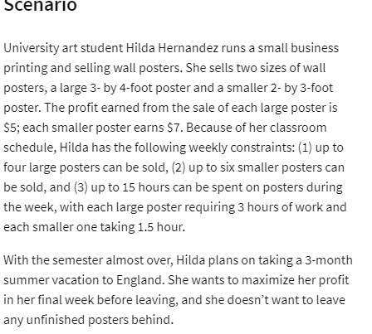
 | Large | Small
Variables: | 2 | 6
Profit earned | $5 | $7

Objective(max)
Profit: | $52

Constraints: |  |  | LHS | sign | RHS
weekly large posters | 1 |  | 2 | <= | 4
Weekly small posters |  | 1 | 6 | <= | 6
hours spent on large | 3 | 1.5 | 15 | <= | 15 | <--hrs

# If she make 2 large and 6 small posters , then she will get max profit 52$

